Print Layout

Tardy Pass
4th Period B-Day
11/15/2022
Ju'zie Booze

QRC
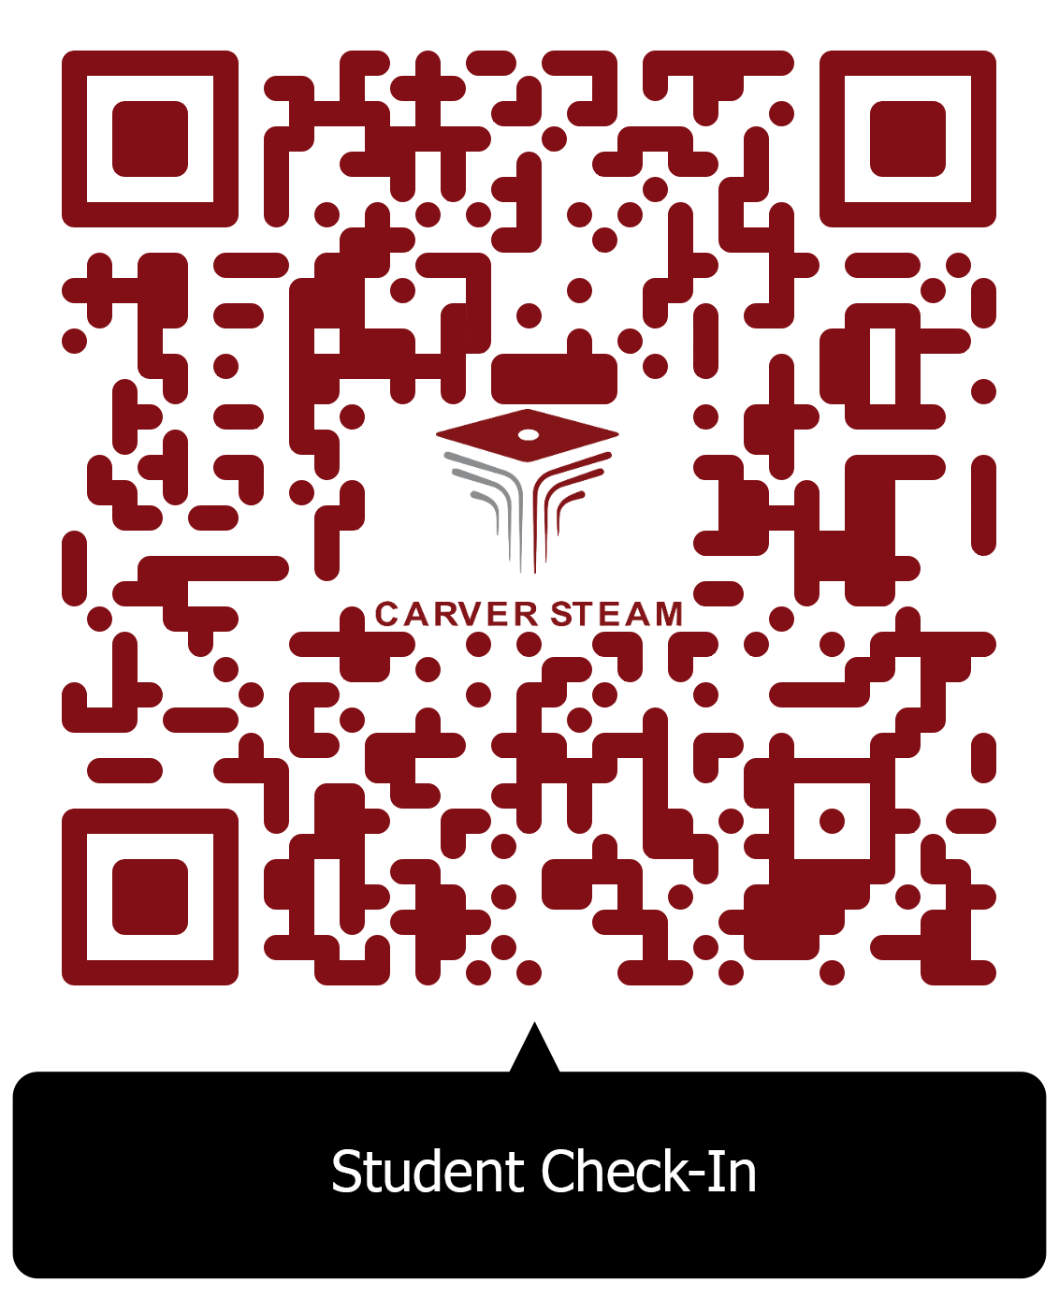
https://sites.google.com/apsk12.org/carver-steam/late-pass

